Presentation
 |  |  |  | TAKENMIND INTERNSHIP CASE STUDY

 |  |  | I have done the case study in Jupyter notebook and pushed in github.
 |  |  |  | Link - https://github.com/Lightning-Bug/Projects-DataAnalytics/blob/master/Takenmind%20Internship%20Case%20Study%20-%20Kumar%20Paritosh.ipynb

#The usual imports :)
import numpy as np
import pandas as pd
from pandas import Series,DataFrame
import matplotlib.pyplot as plt
import matplotlib as matplot
import seaborn as sns
%matplotlib inline

#Reading the excel file

xls_file = pd.ExcelFile('Taken Mind Case Study- Kumar Paritosh.xlsx')
xls_file

#reading sheet names

xls_file.sheet_names

#Rename the data set according to our convinience

Emp_left = xls_file.parse('Employees who have left')
Emp_left.head()

Emp_exis = xls_file.parse('Existing employees')
Emp_exis.head()

#Check for null values and info of dataset of employees who left

Emp_left.info()
Emp_left.isnull().any()

<class 'pandas.core.frame.DataFrame'>
RangeIndex: 3571 entries, 0 to 3570
Data columns (total 10 columns):
Emp ID 3571 non-null int64
satisfaction_level 3571 non-null float64
last_evaluation 3571 non-null float64
number_project 3571 non-null int64
average_montly_hours 3571 non-null int64
time_spend_company 3571 non-null int64
Work_accident 3571 non-null int64
promotion_last_5years 3571 non-null int64
dept 3571 non-null object
salary 3571 non-null object
dtypes: float64(2), int64(6), object(2)
memory usage: 279.1+ KB

Emp ID False
satisfaction_level False
last_evaluation False
number_project False
average_montly_hours False
time_spend_company False
Work_accident False
promotion_last_5years False
dept False
salary False
dtype: bool

#Look at the dataset of employees who left

Emp_left = xls_file.parse('Employees who have left')
Emp_left.head()

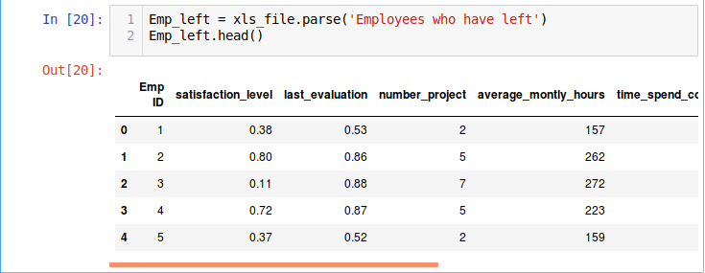

#Lets make the dataset more readable by renaming it :

# I will rename it for my convinience for further steps
Emp_left = Emp_left.rename(columns={'satisfaction_level': 'satisfaction',
'last_evaluation': 'evaluation',
'number_project': 'projectCount',
'average_montly_hours': 'averageMonthlyHours',
'time_spend_company': 'yearsAtCompany',
'Work_accident': 'workAccident',
'promotion_last_5years': 'promotion',
'dept' : 'department'
})
Emp_left.head()

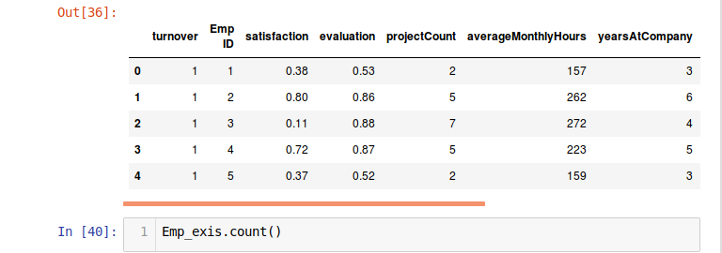

A column named turnover Is added to know that the employee has left : 1 else 0

#Calculate the percentage of employees who left

Therefore 23.8 percentage of employees left .

Emp_left.describe()

Output :
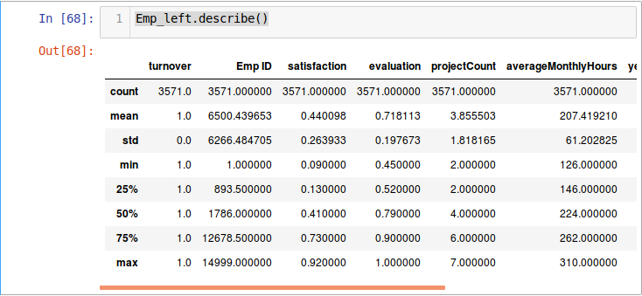

#Lets see the heatmaps :

correlation = Emp_left.corr()
correlation = (correlation)
sns.heatmap(correlation,
xticklabels=correlation.columns.values,
yticklabels=correlation.columns.values)

correlation = (correlation)

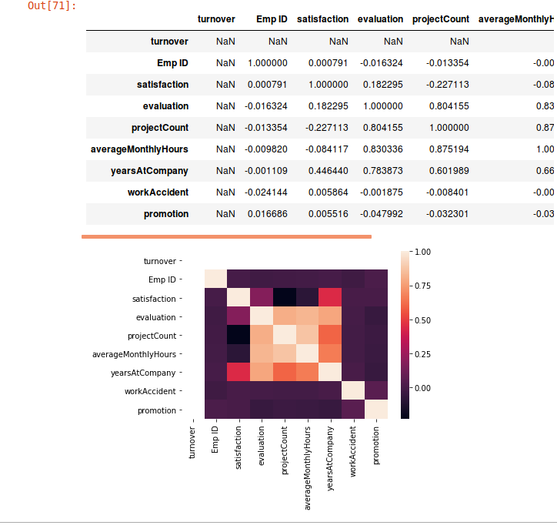

------------------------------------------------------------------------------------------------------------------------------------------------------C310gs

#See the Graph and compare :

f, axes = plt.subplots(ncols=3, figsize=(15, 6))

# Graph Employee Satisfaction
sns.distplot(Emp_left.satisfaction, kde=False, color="g", ax=axes[0]).set_title('Employee Satisfaction Distribution')
axes[0].set_ylabel('Employee Count')

# Graph Employee Evaluation
sns.distplot(Emp_left.evaluation, kde=False, color="r", ax=axes[1]).set_title('Employee Evaluation Distribution')
axes[1].set_ylabel('Employee Count')

# Graph Employee Average Monthly Hours
sns.distplot(Emp_left.averageMonthlyHours, kde=False, color="b", ax=axes[2]).set_title('Employee Average Monthly Hours Distribution')
k=Emp_exis
p=Emp_leftaxes[2].set_ylabel('Employee Count')
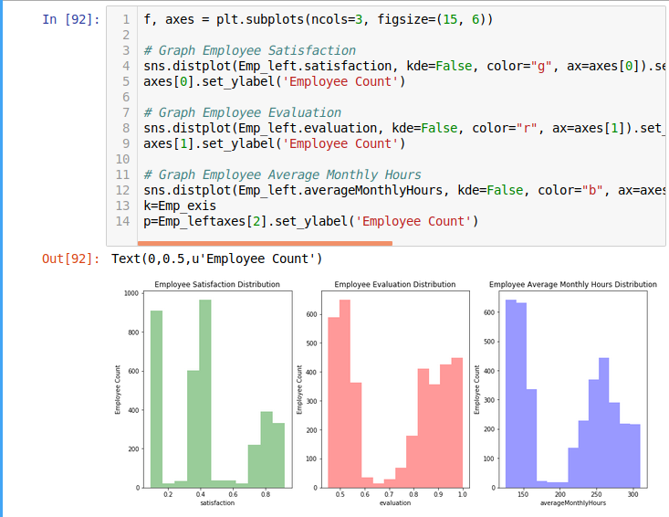

#Salary V.S. Turnover

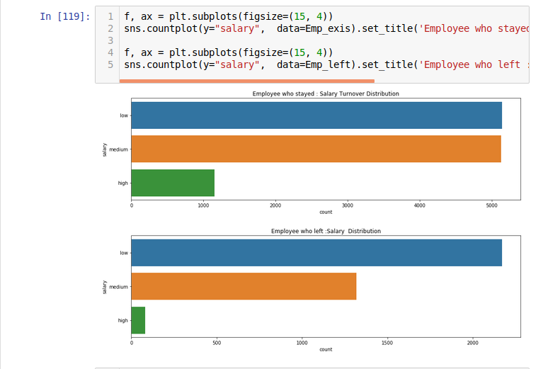
first I will show a separate plot and then I will show combined plot :

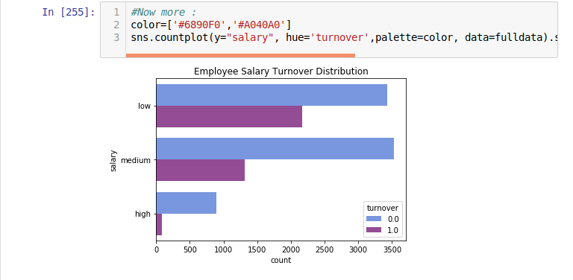

Points to be noted :

Majority of employees who left either had low or medium salary.

Barely any employees left with high salary

Employees with low to average salaries tend to leave the company.

--------------------------------------------------------------------------------------------------------------------------------------------------B337w;jgo

#Department V.S. Turnover
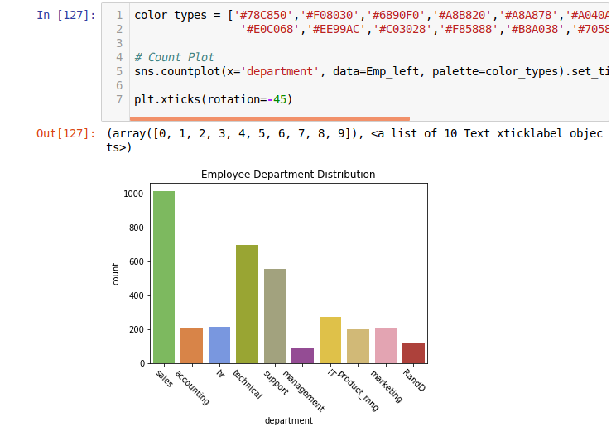

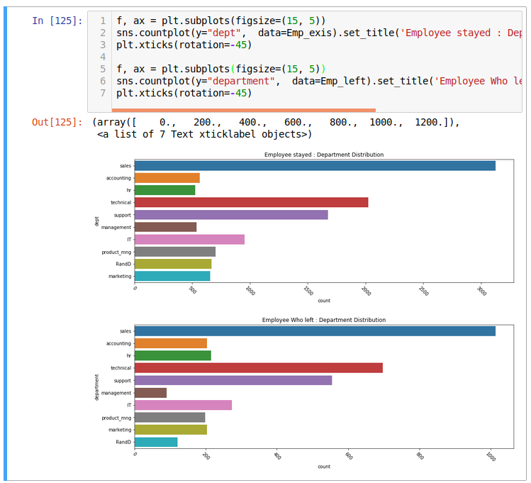

#Now lets see a combine plot :

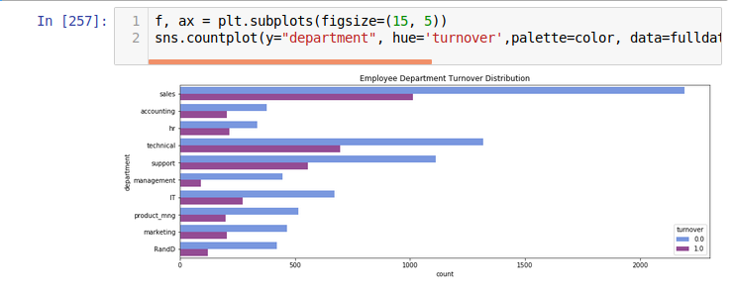

Points to be noted :

The management department had the smallest amount of turnover

The sales, technical, and support department were the top 3 departments to have employee turnover

----------------------------------------------------------------------------------------------------------------------------------------------------

#Turnover V.S. ProjectCount

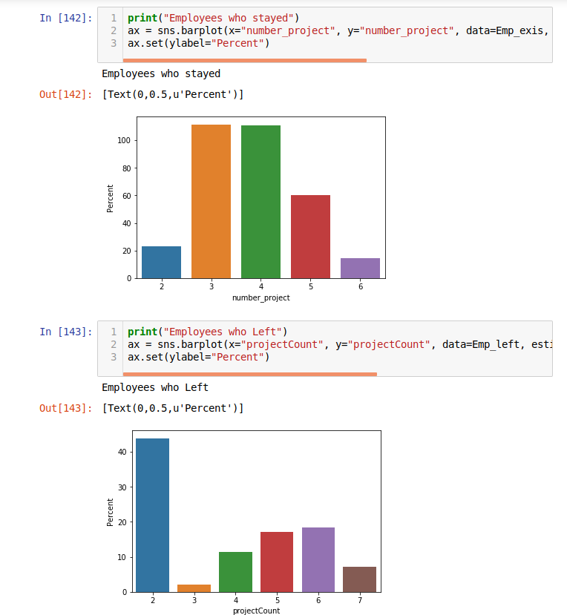

A COMBINED PLOT OF BOTH :

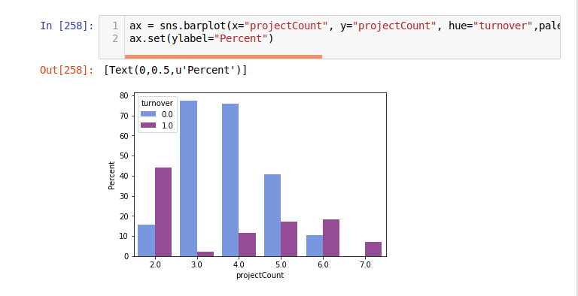

Points to be noted :

More than half of the employees with 2,6, and 7 projects left the company

All of the employees with 7 projects left the company

There is an increase in employee turnover rate as project count increases

Majority of the employees who did not leave the company had 3,4, and 5 projects

------------------------------------------------------------------------------------------------------------------------------------------------------

#Turnover V.S. Evaluation

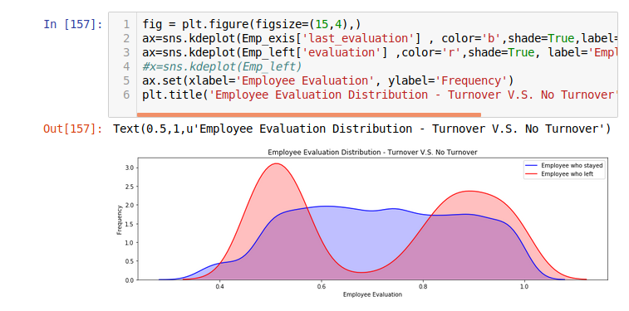

Points to be noted :

There is a biomodal distribution for those that had a turnover.

Employees with low performance tend to leave the company more

Employees with high performance tend to leave the company more

The sweet spot for employees that stayed is within 0.6-0.8 evaluation

-----------------------------------------------------------------------------------------------------------------------------------------------------

#ProjectCount VS Evaluation

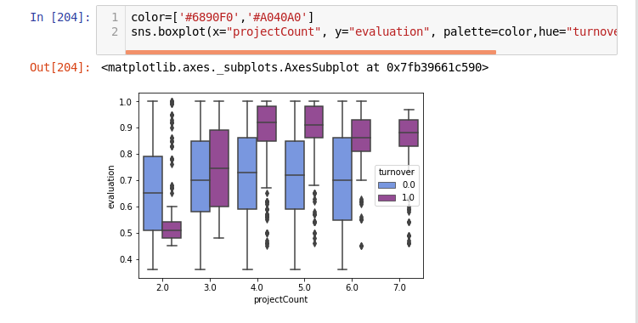

Points to be noted :

There is an increase in evaluation for employees who did more projects within the turnover group. But, again for the non-turnover group, employees here had a consistent evaluation score despite the increase in project counts.

-----------------------------------------------------------------------------------------------------------------------------------------------------

#Turnover V.S. AverageMonthlyHours

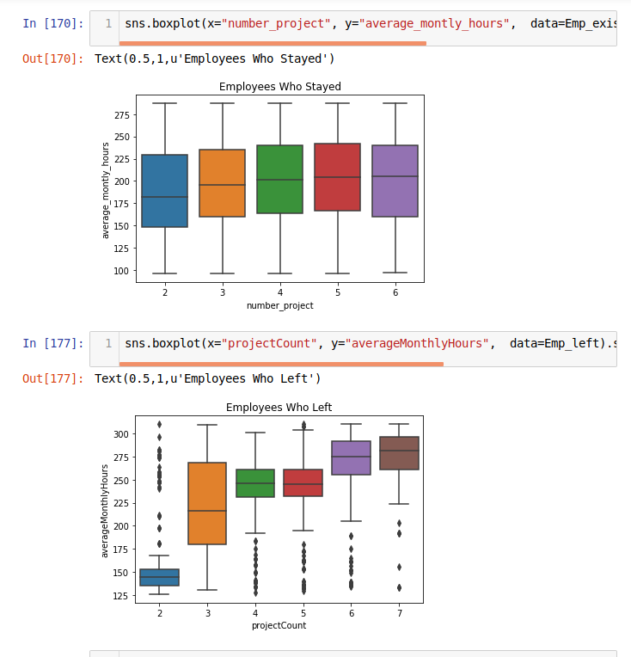

#A combined plot now :

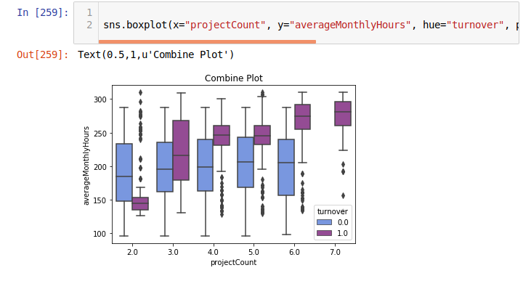

Points to be noted :

Another bi-modal distribution for employees that turnovered

Employees who had less hours of work (~150hours or less) left the company more

Employees who had too many hours of work (~250 or more) left the company

Employees who left generally were underworked or overworked.

-----------------------------------------------------------------------------------------------------------------------------------------------------

# Satisfaction VS Evaluation

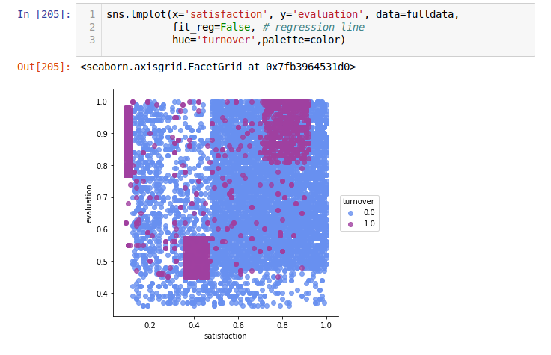

Points to be noted :

Cluster 1 (Hard-working and Sad Employee): Satisfaction was below 0.2 and evaluations were greater than 0.75. Which could be a good indication that employees who left the company were good workers but felt horrible at their job.

Cluster 2 (Bad and Sad Employee): Satisfaction between about 0.35~0.45 and evaluations below ~0.58. This could be seen as employees who were badly evaluated and felt bad at work.

Cluster 3 (Hard-working and Happy Employee): Satisfaction between 0.7~1.0 and evaluations were greater than 0.8. Which could mean that employees in this cluster were “ideal”. They loved their work and were evaluated highly for their performance.

------------------------------------------------------------------------------------------------------------------------------------------------------

#Turnover V.S. YearsAtCompany

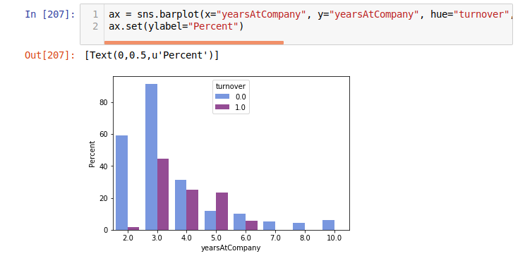

Points to be noted :

More than half of the employees with 4 and 5 years left the company

Employees with 5 years should highly be looked into

------------------------------------------------------------------------------------------------------------------------------------------------------

#K-Means Clustering of Employee Turnover

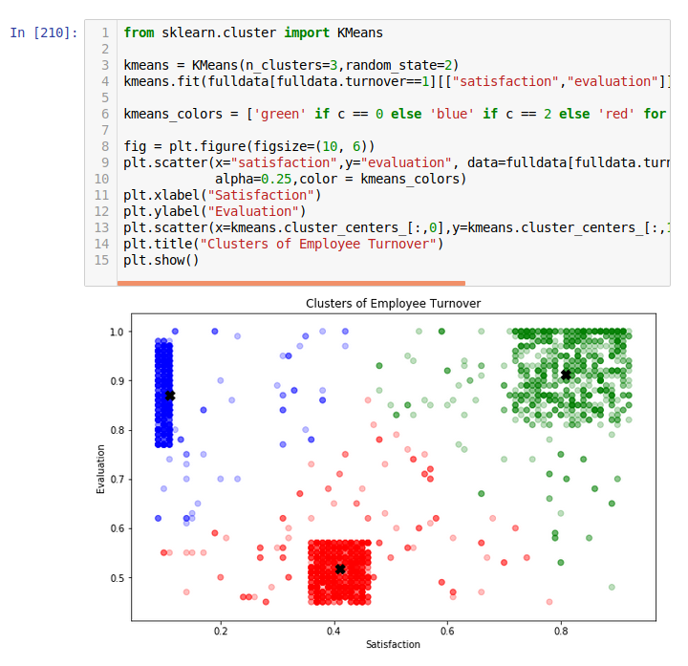

 | Areas and points to be noted:

 | Cluster 1 (Blue): Hard-working and Sad Employees

 | Cluster 2 (Red): Bad and Sad Employee

 | Cluster 3 (Green): Hard-working and Happy Employee

----------------------------------------------------------------------------------------------------------------------------------------------------

Final conclusion and my results :

Employees generally left when they are overworked (more than 250hr/month or 10hr/day)

Employees generally left when they are underworked (less than 150hr/month or 6hr/day)

Employees that had 2,6, or 7 project count was at risk of leaving the company

Employees with either really high or low evaluations should be taken into consideration for high turnover rate

Employees with low to medium salaries are the bulk of employee turnover

Employee satisfaction is the highest indicator for employee turnover.

Employee satisfaction, yearsAtCompany, and evaluation were the three biggest factors in determining turnover

Employee that had 4 and 5 yearsAtCompany should be taken into consideration for high turnover rate

 |  |  | That’s It From My Side

 |  |  | Thank You

 |  |  | Name : Kumar Paritosh

 |  |  | Roll : 106116045

 |  |  | Internship : Data Analytics

 |  | My project Jupyter notebook link : https://github.com/Lightning-Bug/Projects-DataAnalytics/blob/master/Takenmind%20Internship%20Case%20Study%20-%20Kumar%20Paritosh.ipynb

